SLIPPERS
Men's & Women's Comfort Slipper – Indoor/Outdoor
STYLE | MENS WOMENS | COLOUR | IMAGE | UK 3 EU 36 | UK 4 EU 37 | UK 5 EU 38 | UK 6 EU 39 | UK 6.5 EU 40 | UK 7 EU 41 | QTY | PRE PACK CARTON RATIO 3 COLOURS PER CARTON
7710026 | WOMENS | GRIS | 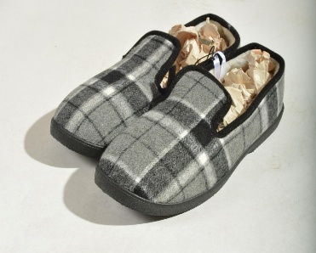 | 147 | 294 | 294 | 294 | 294 | 147 | 1470 | 1 | 2 | 2 | 2 | 2 | 1
7710026 | WOMENS | AZUL | 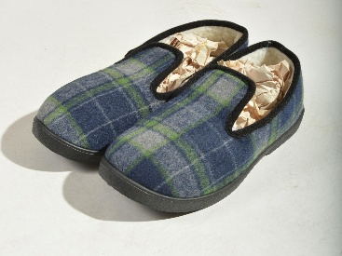 | 147 | 294 | 294 | 294 | 294 | 147 | 1470
7710026 | WOMENS | 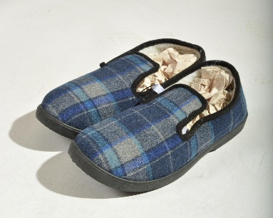 VERDE |  | 147 | 294 | 294 | 294 | 294 | 147 | 1470
317 | WOMENS | AZUL | 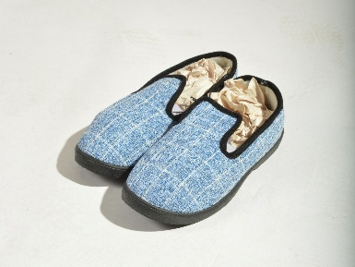 | 62 | 124 | 124 | 124 | 124 | 62 | 620
317 | WOMENS | GRIS | 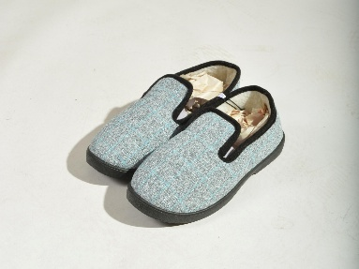 | 62 | 124 | 124 | 124 | 124 | 62 | 620
317 | WOMENS | ROSA | 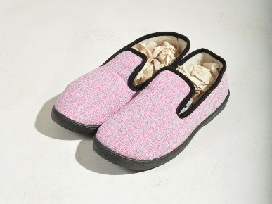 | 62 | 124 | 124 | 124 | 124 | 62 | 620
316 | WOMENS | ROYO | 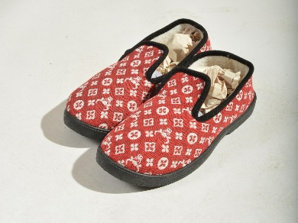 | 102 | 204 | 204 | 204 | 204 | 102 | 1020
316 | WOMENS | GRIS | 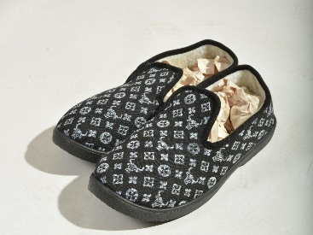 | 102 | 204 | 204 | 204 | 204 | 102 | 1020
316 | WOMENS | AZUL | 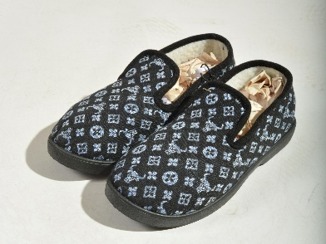 | 102 | 204 | 204 | 204 | 204 | 102 | 1020
314 | WOMENS | ROJO | 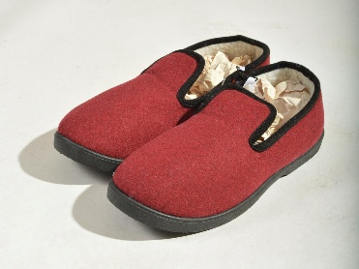 | 14 | 28 | 28 | 28 | 28 | 14 | 140
314 | WOMENS | AZUL OSCURO | 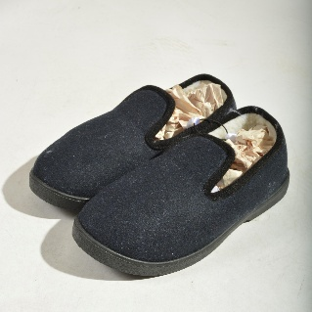 | 14 | 28 | 28 | 28 | 28 | 14 | 140
314 | WOMENS | AZUL VIVOS | 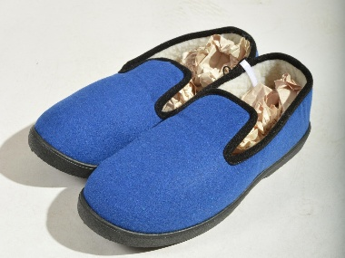 | 14 | 28 | 28 | 28 | 28 | 14 | 140 | PRE PACK CARTON RATIO 3 COLOURS PER CARTON
 | MENS |  |  | UK 6.5 EU 40 | UK 7 EU 41 | UK 8 EU 42 | UK 9 EU 43 | UK 10 EU 44 | UK 11 EU 45 |  | 1 | 2 | 2 | 2 | 2 | 1
27 | MENS | GRIS | 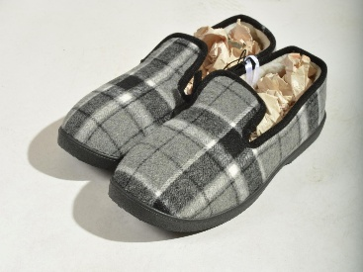 | 64 | 128 | 128 | 128 | 128 | 64 | 640
27 | MENS | AZUL |  | 64 | 128 | 128 | 128 | 128 | 64 | 640
27 | MENS | VERDE |  | 64 | 128 | 128 | 128 | 128 | 64 | 640
312 | MENS | NEGRO | 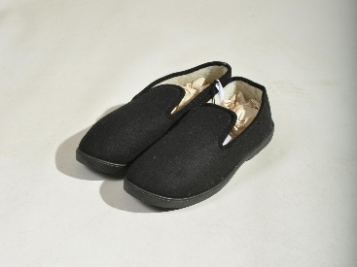 | 81 | 162 | 162 | 162 | 162 | 81 | 810
312 | MENS | AZUL | 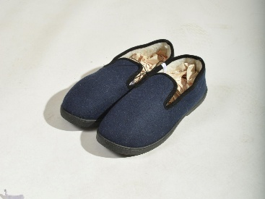 | 81 | 162 | 162 | 162 | 162 | 81 | 810
312 | MENS | GRIS | 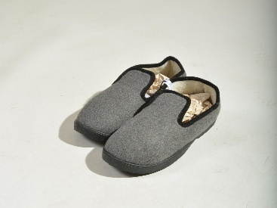 | 81 | 162 | 162 | 162 | 162 | 81 | 810
 |  |  |  |  |  |  |  |  | TOTAL | 14100
Effortless Slip-On Design – Quick to wear, no fuss
Warm & Durable Build – Cozy lining with long-lasting materials
Comfort-Focused Fit – Cushioned support for all-day ease
Textured Grip Sole – Enhanced traction for safety and stability
Versatile Use – Ideal for both indoor lounging and outdoor errands

